5.Join Tool
Join tool- Combine two data streams based on Common fiels(or record position).In the joined output,each row will contain data from both inputs Configure the Tool Select how to perform the Join. The 2 options are: by record position or by a specific field (column). Join by Record Position: Select this option when the two tables to be joined have the same field structure, and the data will be joined by its position within the two tables. Join by Specific Field: Select this option when the two tables have one or more fields in common (like an ID) and the data will be joined together. You can choose to Join based on multiple fields. Each Join should be a separate row in the grid. Potential Error Message The Join tool restricts what field types can be joined together. The error messages might result stating Joins on Double or Float are not recommended due to a rounding error that might occur. String fields can only be joined to other string fields. Numeric fields can only be joined to other numeric fields. Boolean fields can only be joined to other boolean fields. DateTime field types can only be joined to their exact type. Spatial fields cannot be joined, use the Spatial Match tool instead. Blob fields cannot be joined to any other type.
Join by position horizontally joins the data by position and its very important to be sure about the rows align when we are using this option
Join by value(Specific columns):the value acts as key or identifier which should be present in both data set as a column Modify Data Type and Size To change the supported length (characters for string and numeric fixed decimal types) or measurement (bytes for other numeric types) of data in a column, select Size and enter a number. Size varies by data type and can be edited for fixed decimal, numeric types, and all string types. Use the [data type]: Forced option to ensure a column always contains the expected data type. This is helpful when creating macros. Rename a Column or Add a Description To change the name of a column, select the Rename field associated with the column and enter the new name. To add a description, select Description and enter a description
can help change field name or remove, only fields of the same datatypes can be joined together
https://help.alteryx.com/current/designer/join-tool?tocpath=Tools%7CTool%20Categories%7CJoin%7C_____4
FALSE | Left Input | Join by position
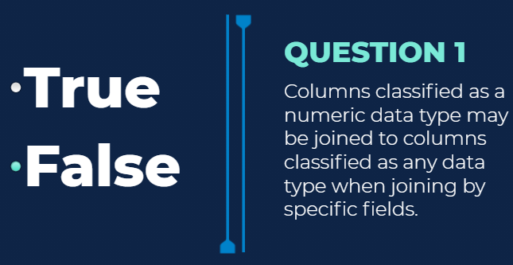
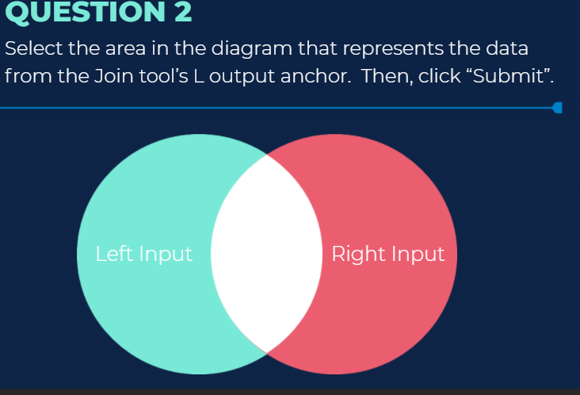
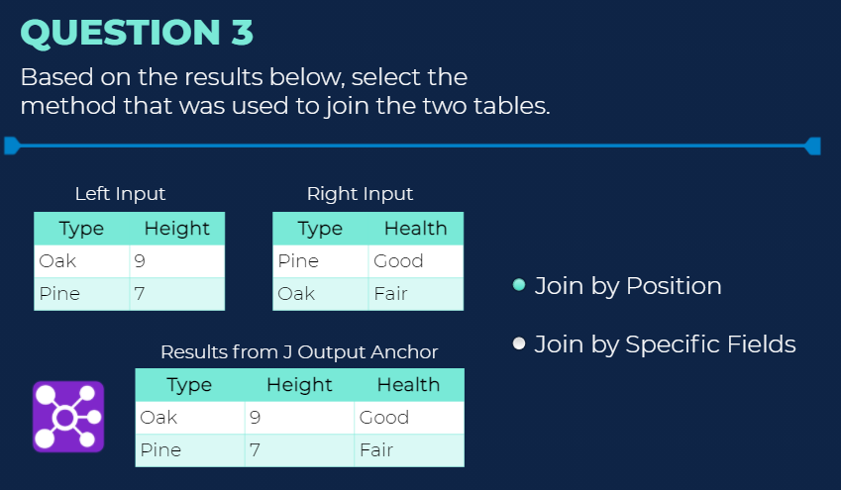
X

6.union
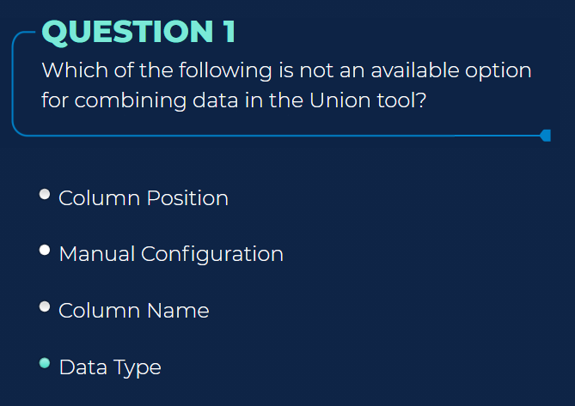
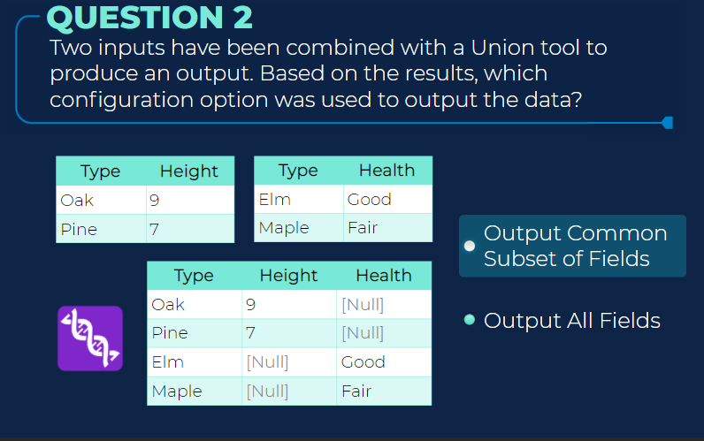
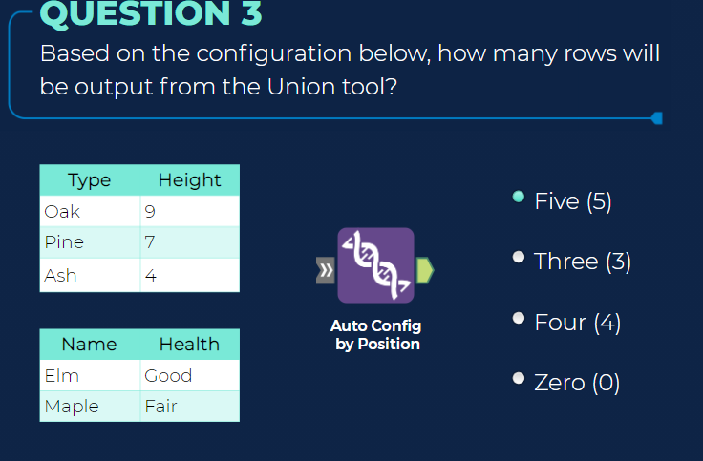
Use Union to combine 2 or more datasets on column names or positions. In the output, each column contains the rows from each input. You can configure how the columns stack or match up in the output. The Union tool has 2 anchors: Input anchor: The input anchor connects to the data streams you want to unify. The 2 angle brackets on the input anchor indicate that it accepts multiple inputs. Output anchor: The output anchor displays the output dataset. Configure the Tool Mode: Choose the configuration mode. The default setting is Auto configure by name. Auto configure by name: Stack data by column name. Auto configure by position: Stack data by the column order in the stream. Manually configure columns: Allows you to manually specify how to stack data. When you choose this method, the columns in each input are displayed (indicated by row #1, #2, etc.). When the mode is set to Manually configure columns, Alteryx assumes the configuration will not change between the configuration of the tool and the time the workflow is run. If anything is missing, an error occurs and the workflow will stop. For this reason, do not use this configuration mode in analytic apps and macros. The column names that are used in the output dataset are pulled from the input stream with the first alphabetical/numerical value.
https://help.alteryx.com/current/designer/union-tool?tocpath=Tools%7CTool%20Categories%7CJoin%7C_____7

7.Find Replace Tool
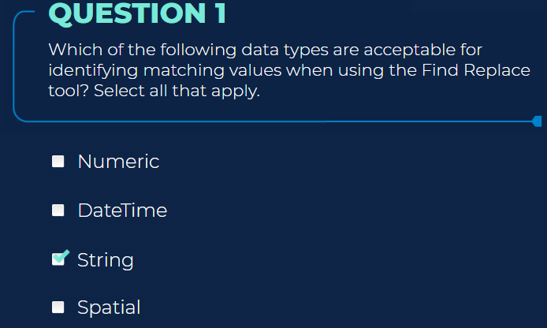

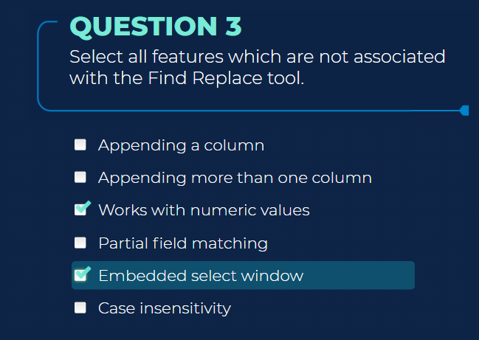
Use Find Replace to find a string in one column of a dataset and look up and replace it with the specified value from another dataset. You can also use Find Replace to append columns to a row. The Find Replace tool has 3 anchors: Input anchors: F input anchor: This input is the initial input table ("F" for "Find"). This is the table that is updated in the tool's results. R input anchor: This input is the lookup table ("R" for "Replace"). This is the table that contains data used to replace data in (or append data to) the initial input. Output anchor: The output anchor displays the results of the Find Replace tool. Configure the Tool The Find Replace tool configuration is comprised of 2 sections: Find and Replace. Find Section Choose the radio button that best describes the part of the field that contains the value to find: Beginning of Field: Searches for the instance of the field value at the beginning of the field. The entire field does not have to only contain what is being searched for. Any Part of Field: Searches for the instance of the field value in any part of the field. The entire field does not have to only contain what is being searched for. Entire Field: Searches for the instance of the field value contained within the entire field. The instance MUST be there in its entirety to be replaced with the new value. Find Within Field: Select the field in the table with data to be replaced (F input anchor) by data in the reference table (R input anchor). Find Value: Select the field from the reference table (R input anchor) that contains the same values as the Find within Field field in the original table (F input anchor). Select optional search conditions: Case Insensitive Find: This option will ignore the case in the search. Match Whole Word Only: Strings are only matched if there are leading and trailing spaces. For strings at the beginning or end of a cell, there must be a space at the other end. Replace Section ​​​​You can choose to

1.input-text-Dynamic tool
Input Data Tool
Input Data Tool can be connected to a variety of files and databases
Input Data to add data to your workflow by connecting it to a file or database. Data lives outside the workflow The values on the data are not static they update we must import workflow to share files Data is configured based on the file type being imported
csv file | Excel file | Alteryx Database or .yxdb
Record limit-limits the number of records to improve run times | Record limit-limits the number of records to improve run times | Most efficient type of input file its fast ,efficient and clean
output file name as field: add a coulmn showing the source file name or full path, it is helpful to identify and use source info in the workflow,helps to understand the origin of the value | table or query:displays your configuration selection, click on the ellipsis(…) to chage the configuration | Record limit-limits the number of records to improve run times
Delimiter | output file name as field: add a coulmn showing the source file name or full path, it is helpful to identify and use source info in the workflow,helps to understand the origin of the value | Search SubDirs: Search the subdirectories to input other files with same name or if using wildcard char in the input,file type and structure
first row contains field names -deselct this option if the coulmns do not have names | First row contains Data:select this box if the first row of an input data contains data values not column names | output file name as field: add a coulmn showing the source file name or full path, it is helpful to identify and use source info in the workflow,helps to understand the origin of the value
field length-each coulmn in a csv file is set to a char limit of 254 char, manually change the length of a coulmn to avoid truncated values | Start data import on line: avoid importing extraneous information from data source Enter the line on which the data starts to eliminate the data vlaues that are not a part of the analysis
Start data import on line: avoid importing extraneous information from data source Enter the line on which the data starts to eliminate the data vlaues that are not a part of the analysis
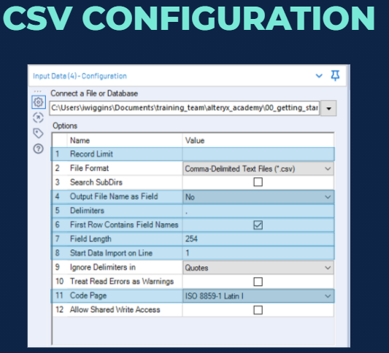
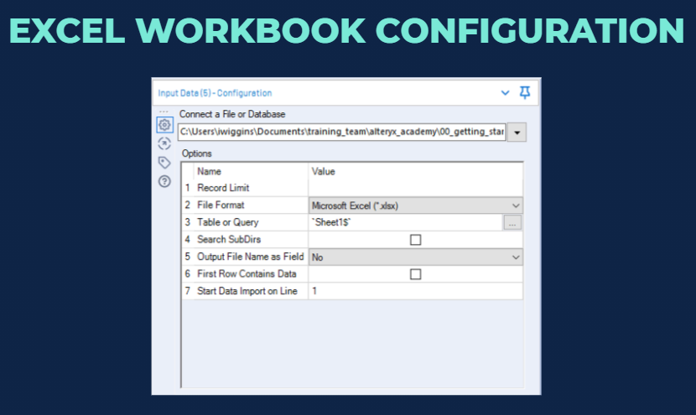
Code Page:Some data is encoded with particular format
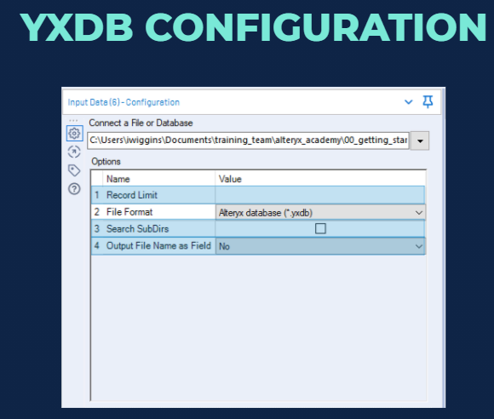

Questions

FALSE | 10 | record limit amd output file name as field

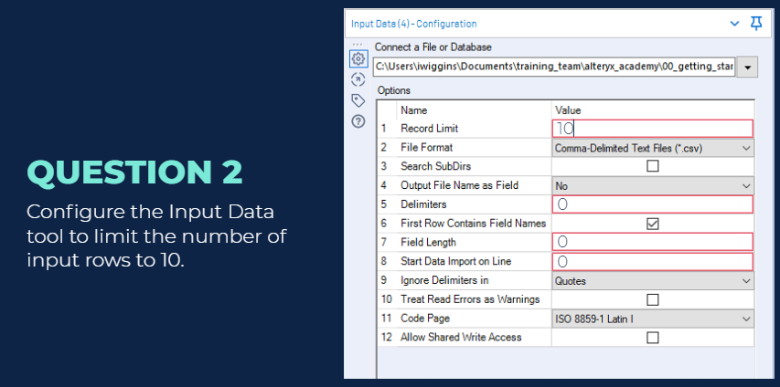
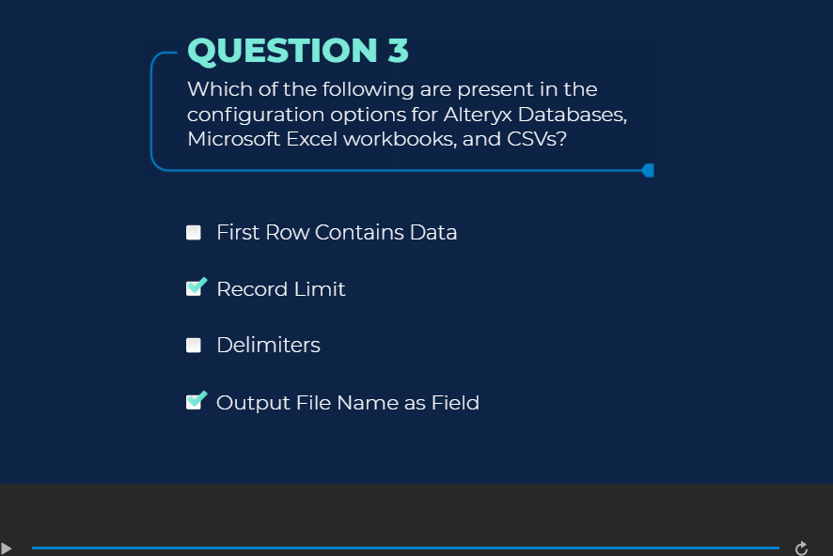

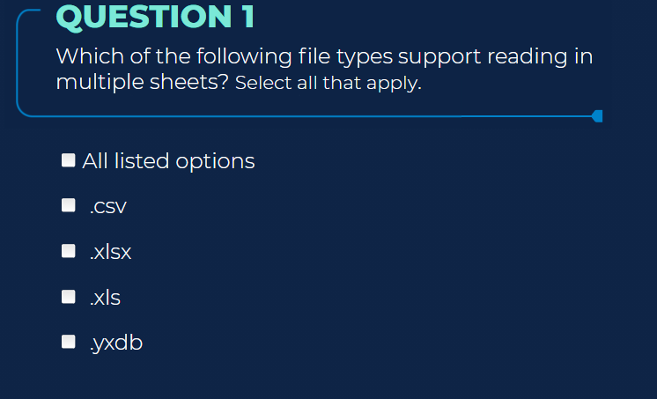
Dynamic Input Tool
Use Dynamic Input to read from an input database at runtime and dynamically choose what records are read in. Designer filters the database table content and returns only the data that meets the specified criteria. The returned data is joined to the incoming data stream. only supported to .xlsx files
it has Input and output anchor, the template has two attributes number of column and names of columns if the sheet doesnot match the template the template it will not be imported ie if the sheet does not have the same number of column as the template it will nnot be read in, if the sheet column are misalinged the data will be read positionally in both cases ie if the file is not imported or if the data is positionally read a warning message is displayed |  | .xlsx
The Dynamic Input tool can improve processing speed when you read a relational database across a network. It can perform spatial queries on relational databases that don't contain spatial objects.
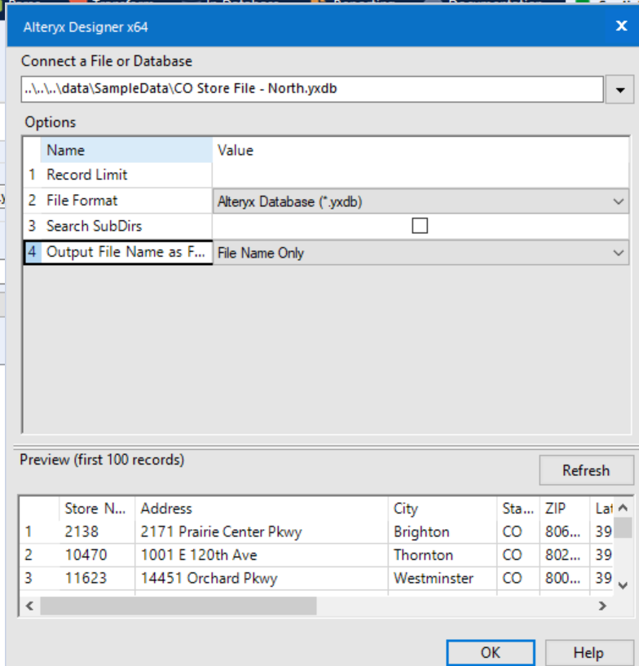



 |  | warning message appears

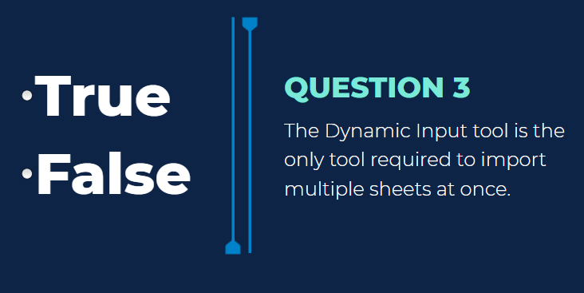

 |  | FALSE

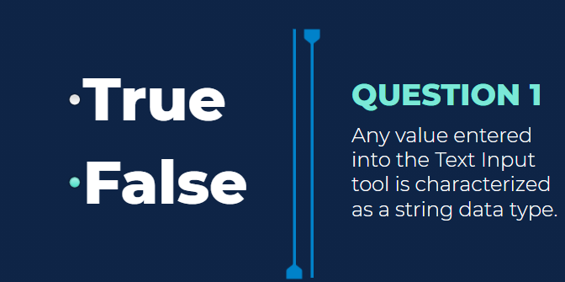
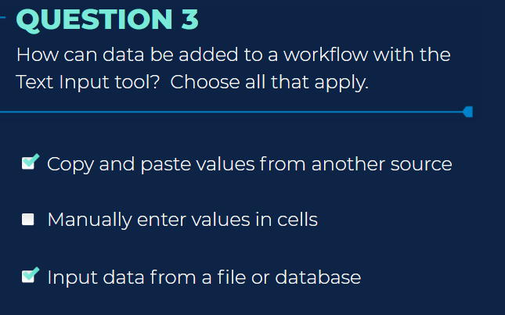
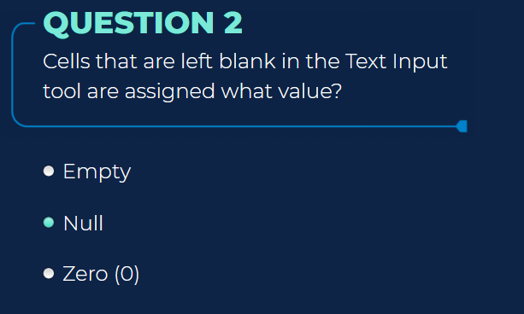
Text Input | false, Null | all 3 options for Q3
Use Text Input to manually enter text to create small data files for input. This can be useful in testing and creating Lookup tables while you build your workflow. The data input from the Text Input tool saves within the workflow, so you can share the workflow without having to provide an input data file
Data lives within workflow/static
Data is automatically Categorized to smallest type and size
Data Types may need to match that of other inputs, especially when that data will be blended with other data Empty values are assigned null values

2.Output Data Tool
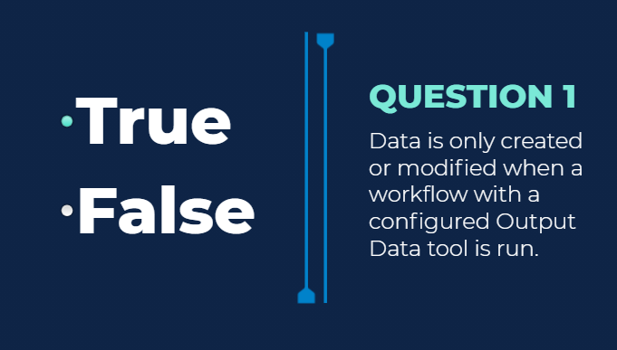
Use Output Data to write results of a workflow to supported file types or data sources. Use other tools to write to other supported data sources.
Excel Output:creates a new source or modifies existing data we can group data in separate files using the take file/table name from field for grouping the data | CSV | Alteryv Database
Limited in the number of rows as well as types of data Spatial Objects cannot be saved using excel workbook | stores all data types as string data types and any unsupported datatypes like Spatial data types will be dropped from the Output | has extension.yxdb Most efficient output format Compressed for maximum speed Uses the same structure as Designer No limit to number of rows Ideal format to save the files
Max records Per file:Limits the number of rows exported Multiple rows are created sequentially if the data contains more number of rows than specified | Max records Per file:Limits the number of rows exported in a single file Multiple files are created and named sequentially if the data contains more number of rows than specified | Max records Per file:Limits the number of rows output to a single file Multiple rows are created and named sequentially if the data contains more number of rows than specified
Output Option | Delimiters:Specify the delimiter to use to separate values in the Output | Save Source& Description: By default the data streams source and data type is stored in output metadata,default settings including source and description data This is useful in in understanding the origin of the data
When creating for the first time we choose "create new sheet" Cggane this selection to overwrite or modify the files on subsequent runs | Code Page:to convert text upon output to a different format such as utf-8

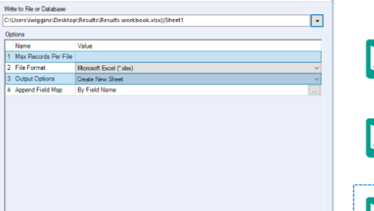
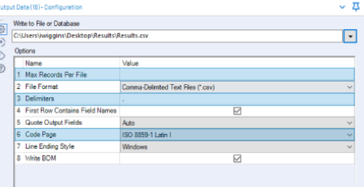
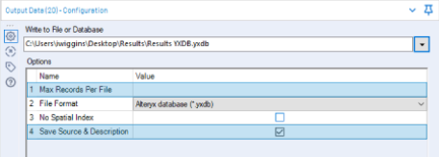

 |  | Output Data tools configuration option changes based on the output file type
 |  | The output data toll does not include an output anchor
 | Two
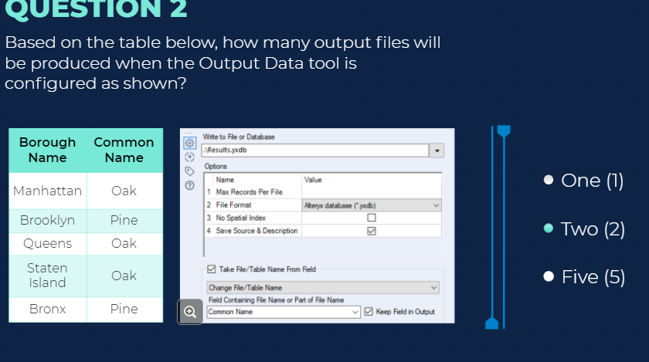
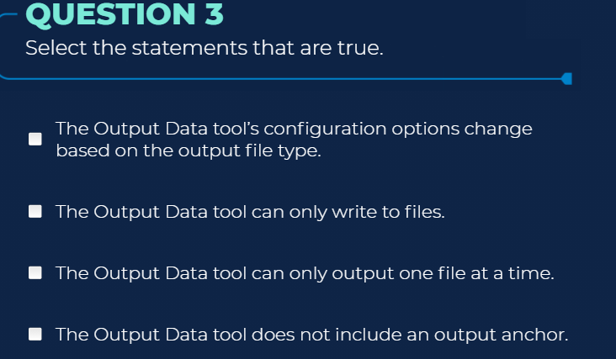
TRUE

3.Browse Tool
Browse Tool
Use Browse to view data from a connected tool. You can see data Profile information for multiple columns at once in a single holistic view, or for a single column of data. You can view information on data type, number of records, data quality, and a variety of statistics. When a spatial, report, or behavior analysis data type is connected, an additional tab is available in the Browse tool. This tab shows a preview of the actual object on a Map or a Report.
Browse tool can we adderd by right click-Add browse tool Ctrl+Shift+B
Large dataset which exceeds the memory storage limit require a different tool to view the data

Data values are plotted as histogram
Browse tool provide indepth view of entire dataset, they consume memory and hence increase the time and processing requirements
For all tools, except for the Browse tool, the data displayed in the Results window is limited to 1 MB for each anchor
all three | TRUE
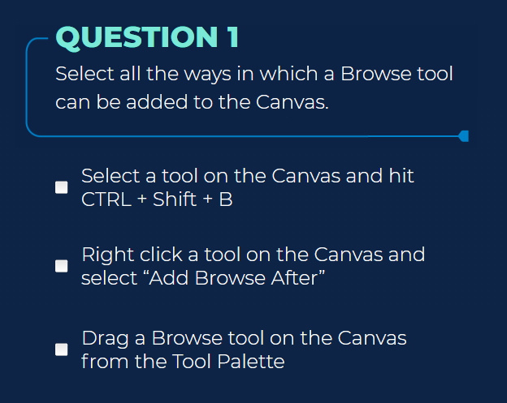
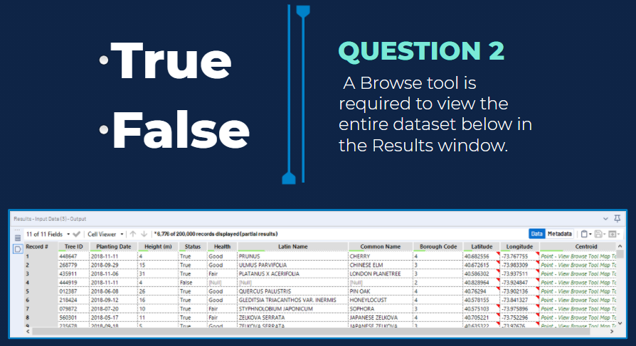

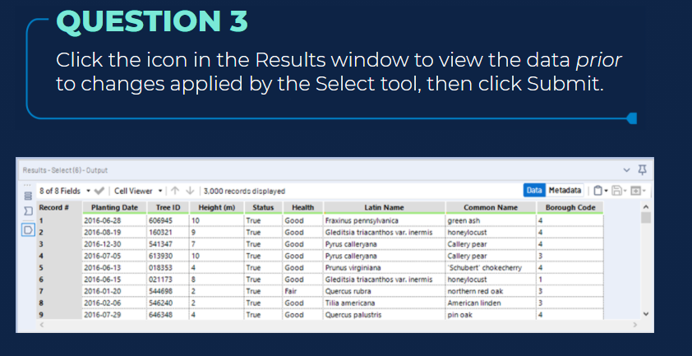

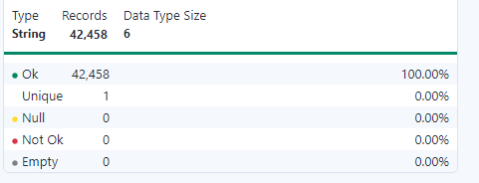
With a Browse tool, the Results window displays all data from the connected tool. With other tools, the Results window only displays up to 1 MB of data. With a Browse tool, the Results window also displays data quality in a bar above each column. To see the difference in the number of records displayed in the Results window, click the Input Data tool output anchor, then click the Browse tool.

The Browse tool requires temporary space and memory on your computer which may impact performance at run-time. When workflow development is complete, Browse tools can be disabled to improve performance. Click the canvas to display the Workflow Configuration window. In the Configuration window, click Runtime. Select Disable All Browse Tools. The Browse tools in the workflow are grayed-out when disabled.

